basics
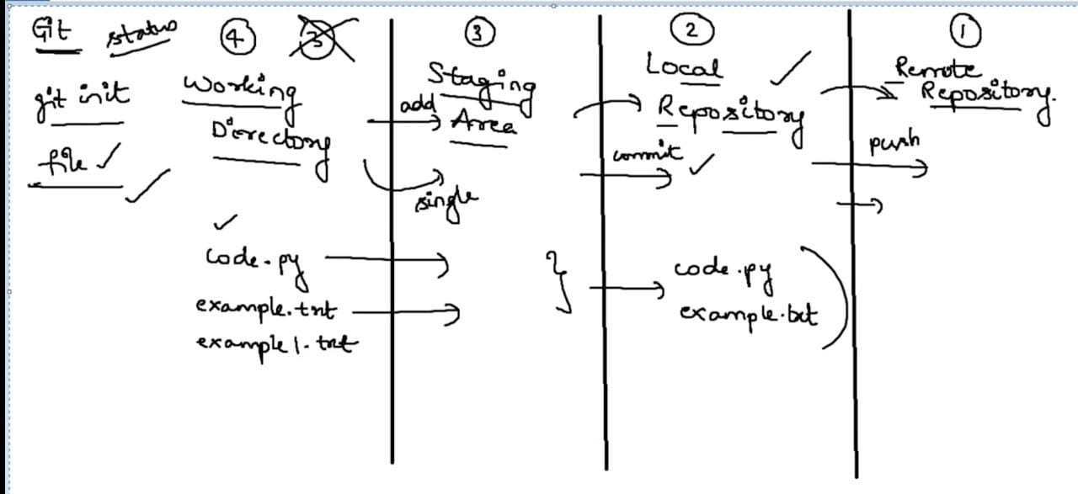
git basics

git int - status
steps | command
create folder name git-learn
cmd to that path

converting this folder to git repository
 | git init
C:\Users\Lenovo\OneDrive\Desktop\git-learn>git init
Initialized empty Git repository in C:/Users/Lenovo/OneDrive/Desktop/git-learn/.git/

.git file created

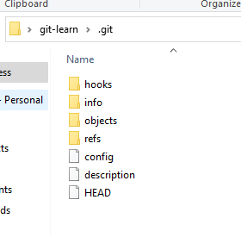

git status -> to know status of this folder
 | git status
C:\Users\Lenovo\OneDrive\Desktop\git-learn>git status
On branch master

No commits yet

nothing to commit (create/copy files and use "git add" to track)

now created 3 files one after another and checked status

C:\Users\Lenovo\OneDrive\Desktop\git-learn>git status
On branch master

No commits yet

Untracked files:
(use "git add <file>..." to include in what will be committed)
example.txt

nothing added to commit but untracked files present (use "git add" to track)

C:\Users\Lenovo\OneDrive\Desktop\git-learn>git status
On branch master

No commits yet

Untracked files:
(use "git add <file>..." to include in what will be committed)
code.py
example.txt

nothing added to commit but untracked files present (use "git add" to track)

C:\Users\Lenovo\OneDrive\Desktop\git-learn>git status
On branch master

No commits yet

Untracked files:
(use "git add <file>..." to include in what will be committed)
code.py
example.txt
example1.txt

nothing added to commit but untracked files present (use "git add" to track)

remote repository
 | remote repository
creating repository in git hub

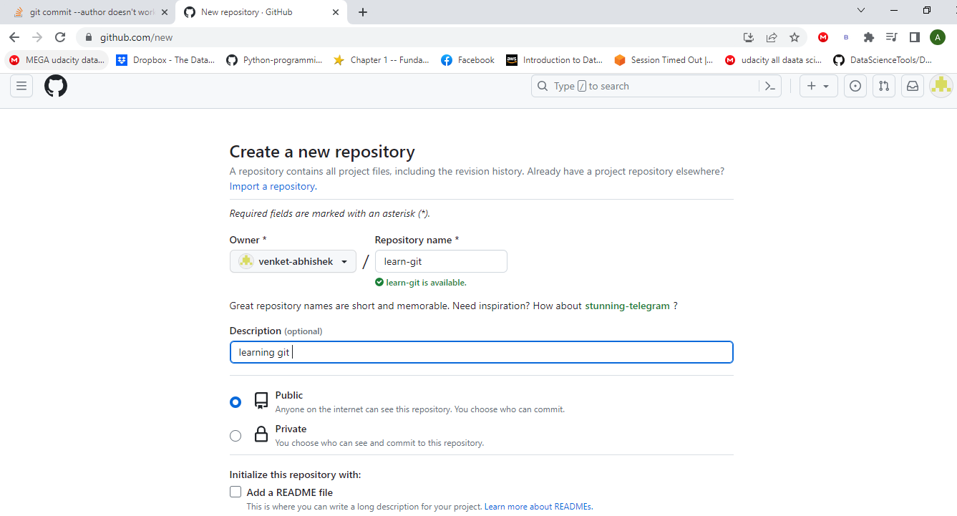

https://github.com/venket-abhishek/learn-git.git

echo "# learn-git" >> README.md
git init
git add README.md
git commit -m "first commit"
git branch -M main
git remote add origin https://github.com/venket-abhishek/learn-git.git
git push -u origin main

git remote add origin https://github.com/venket-abhishek/learn-git.git
git branch -M main
git push -u origin main

git remote - push
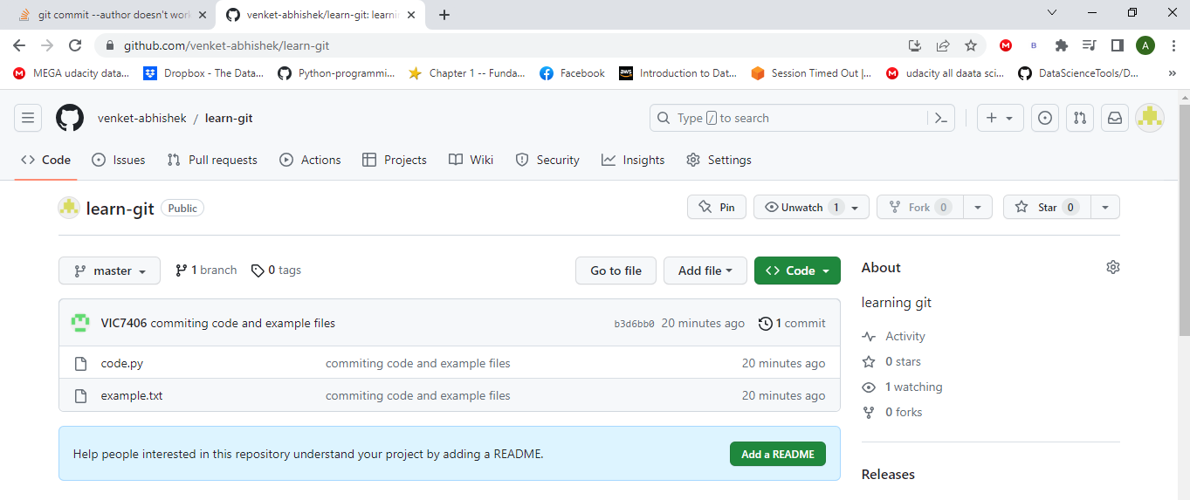
git remote add origin https://github.com/venket-abhishek/learn-git.git | add remote repository
git branch | check branch
git push -u origin master

C:\Users\Lenovo\OneDrive\Desktop\git-learn>git remote add origin https://github.com/venket-abhishek/learn-git.git

C:\Users\Lenovo\OneDrive\Desktop\git-learn>git status
On branch master
Untracked files:
(use "git add <file>..." to include in what will be committed)
example1.txt

nothing added to commit but untracked files present (use "git add" to track)

C:\Users\Lenovo\OneDrive\Desktop\git-learn>git push -u origin master
info: please complete authentication in your browser...

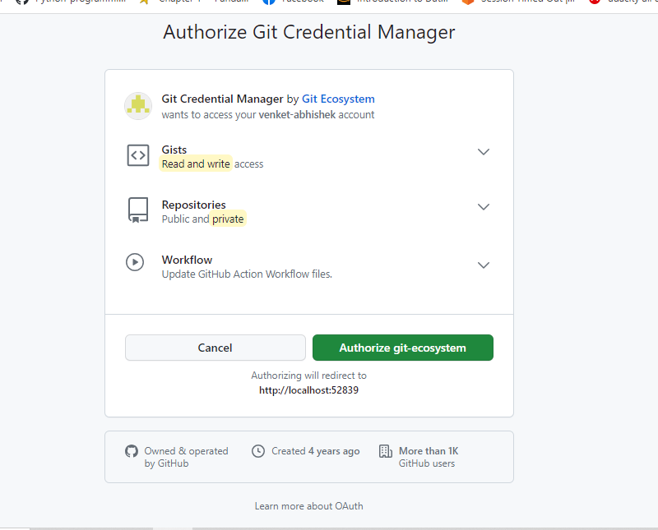

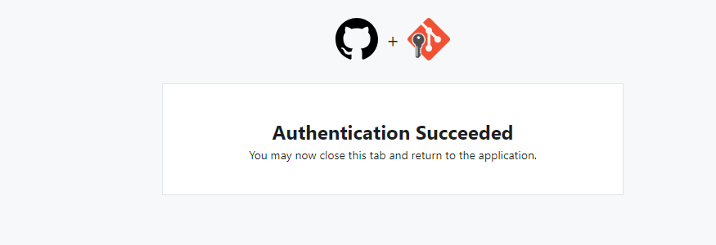

Enumerating objects: 4, done.
Counting objects: 100% (4/4), done.
Delta compression using up to 4 threads
Compressing objects: 100% (2/2), done.
Writing objects: 100% (4/4), 297 bytes | 297.00 KiB/s, done.
Total 4 (delta 0), reused 0 (delta 0), pack-reused 0
To https://github.com/venket-abhishek/learn-git.git
* [new branch] master -> master
branch 'master' set up to track 'origin/master'.

sucessfully pushed

git branch
git branch

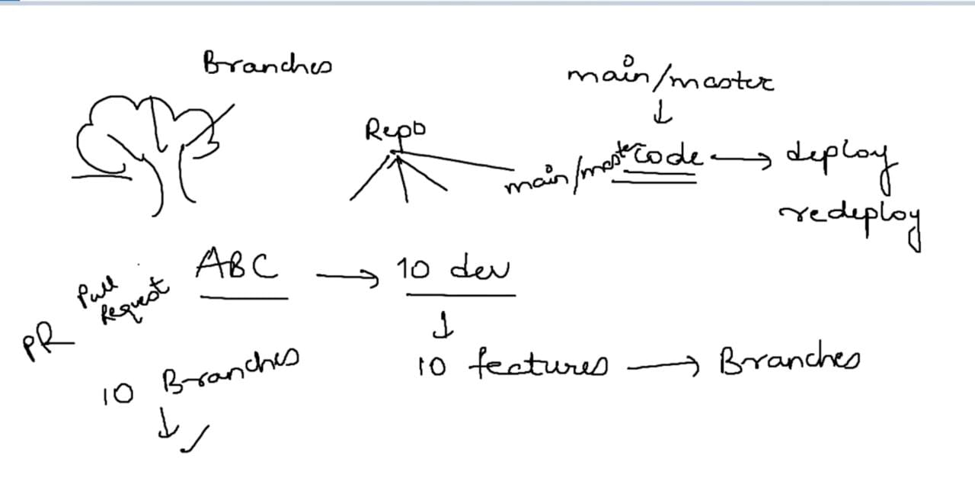
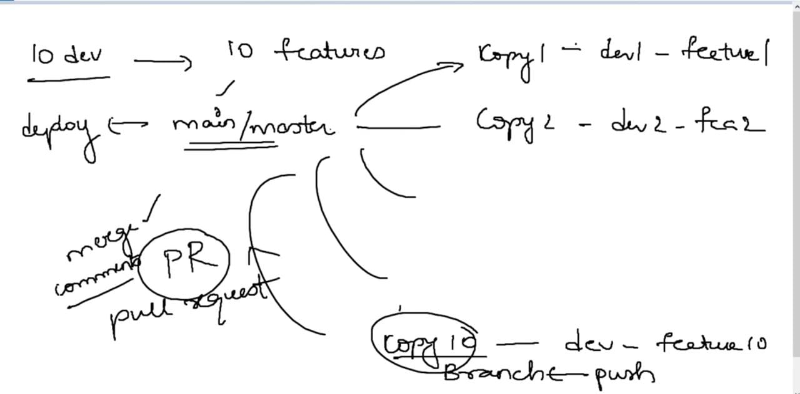

each team member creates their own branch and work on their features
once code done raises -> | pull request
if approved will MERGE , or give comments to change

Creating new branch

git checkout -b "copy1" | with checkout command we can move from one branch to another
 | "-b" | if this create new branch if branch not present

C:\Users\Lenovo\OneDrive\Desktop\git-learn>git checkout -b "copy1"
Switched to a new branch 'copy1'

C:\Users\Lenovo\OneDrive\Desktop\git-learn>git branch
* copy1
master

C:\Users\Lenovo\OneDrive\Desktop\git-learn>git status
On branch copy1 | untracked files from main goes to copy1
Untracked files:
(use "git add <file>..." to include in what will be committed)
example1.txt

nothing added to commit but untracked files present (use "git add" to track)

moved from copy1 to master branch

C:\Users\Lenovo\OneDrive\Desktop\git-learn>git checkout "master"
Switched to branch 'master'
Your branch is up to date with 'origin/master'.

C:\Users\Lenovo\OneDrive\Desktop\git-learn>git status
On branch master
Your branch is up to date with 'origin/master'.

Untracked files:
(use "git add <file>..." to include in what will be committed)
example1.txt

nothing added to commit but untracked files present (use "git add" to track)

copy branch commit push
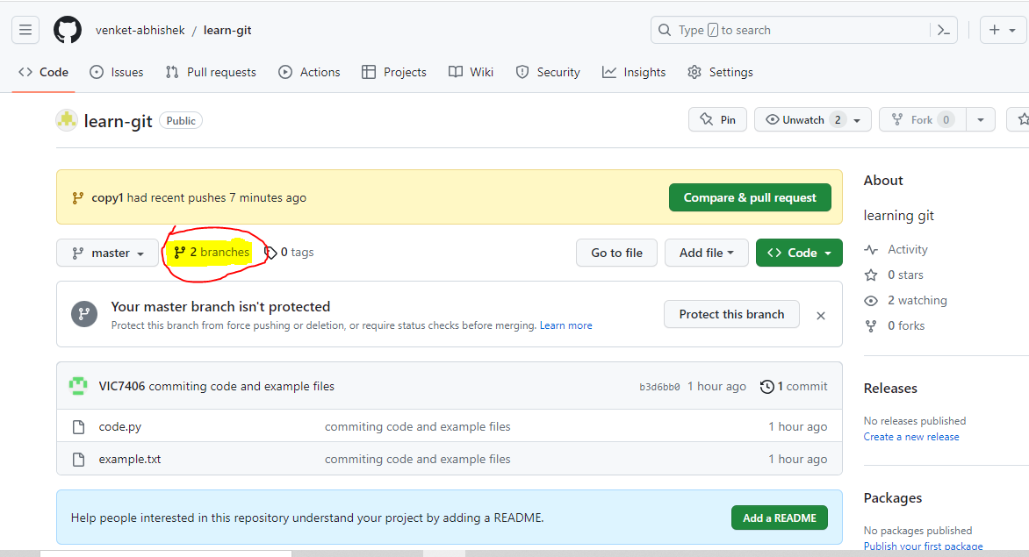
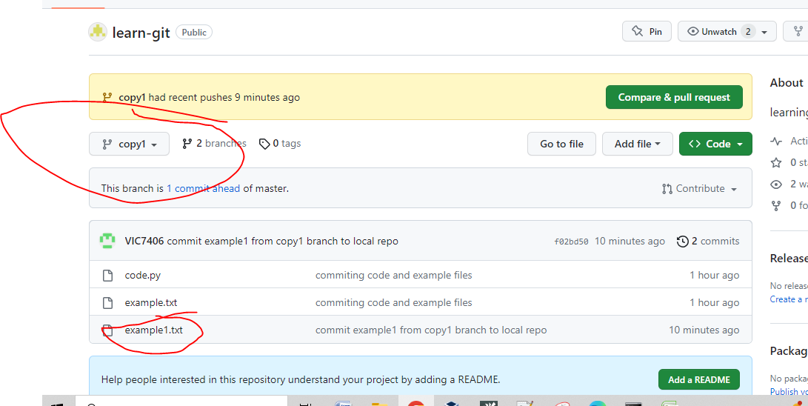
C:\Users\Lenovo\OneDrive\Desktop\git-learn>git checkout "copy1" | coming to copy1 barnch
Switched to branch 'copy1'

C:\Users\Lenovo\OneDrive\Desktop\git-learn>git status
On branch copy1
Untracked files:
(use "git add <file>..." to include in what will be committed)
example1.txt | one file present

nothing added to commit but untracked files present (use "git add" to track)

C:\Users\Lenovo\OneDrive\Desktop\git-learn>git add example1.txt | moving from working repo to staging repo

C:\Users\Lenovo\OneDrive\Desktop\git-learn>git status
On branch copy1
Changes to be committed:
(use "git restore --staged <file>..." to unstage)
new file: example1.txt

C:\Users\Lenovo\OneDrive\Desktop\git-learn>git commit -m "commit example1 from copy1 branch to local repo" | moving from staging repo to local repo
[copy1 f02bd50] commit example1 from copy1 branch to local repo
1 file changed, 1 insertion(+)
create mode 100644 example1.txt

C:\Users\Lenovo\OneDrive\Desktop\git-learn>git status
On branch copy1
nothing to commit, working tree clean

C:\Users\Lenovo\OneDrive\Desktop\git-learn>git push | error
fatal: The current branch copy1 has no upstream branch.
To push the current branch and set the remote as upstream, use

git push --set-upstream origin copy1 | need to give like this

To have this happen automatically for branches without a tracking
upstream, see 'push.autoSetupRemote' in 'git help config'.

C:\Users\Lenovo\OneDrive\Desktop\git-learn>git push --set-upstream origin copy1 | git push -u origin master "--> " previously we gave
Enumerating objects: 4, done.
Counting objects: 100% (4/4), done.
Delta compression using up to 4 threads
Compressing objects: 100% (2/2), done.
Writing objects: 100% (3/3), 328 bytes | 328.00 KiB/s, done.
Total 3 (delta 0), reused 0 (delta 0), pack-reused 0
remote:
remote: Create a pull request for 'copy1' on GitHub by visiting:
remote: https://github.com/venket-abhishek/learn-git/pull/new/copy1
remote:
To https://github.com/venket-abhishek/learn-git.git
* [new branch] copy1 -> copy1
branch 'copy1' set up to track 'origin/copy1'.

in master branch we have copy and example , but in copy1 branch 2 files from master + 1 file - example1 from copy1 will be present

merge
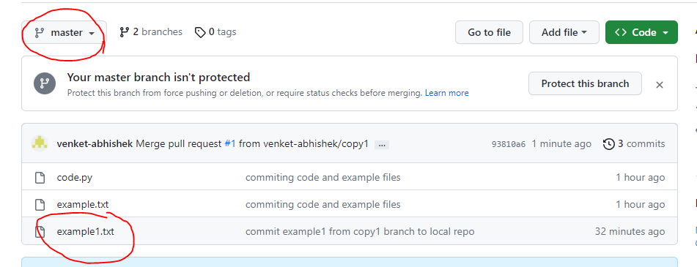
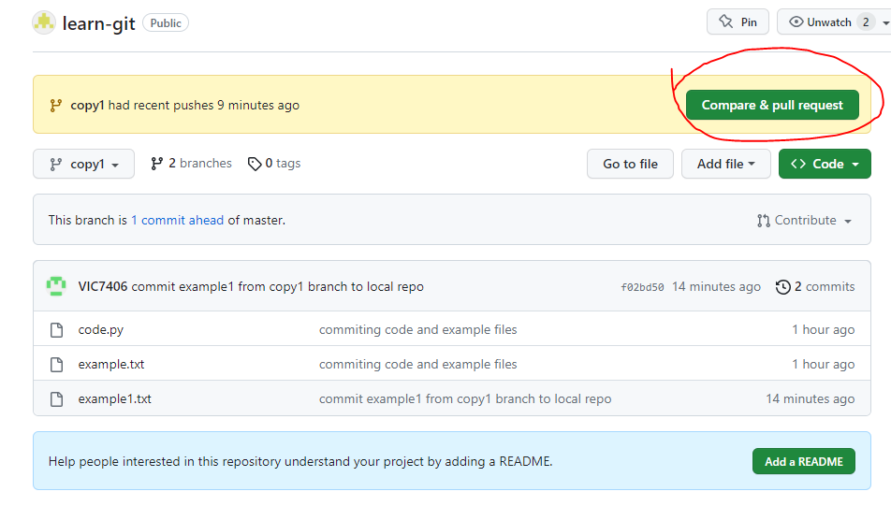

click

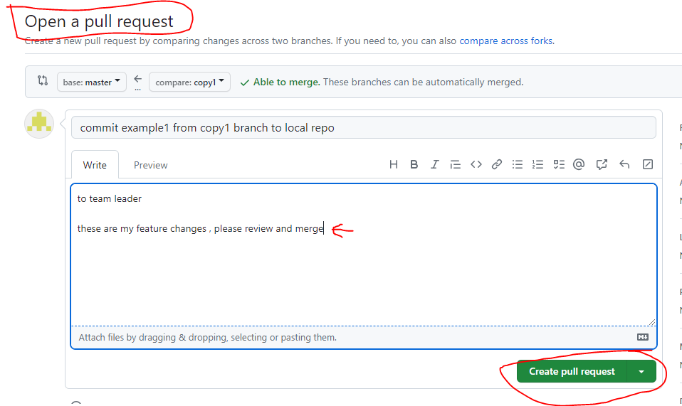

give comments and create pull request

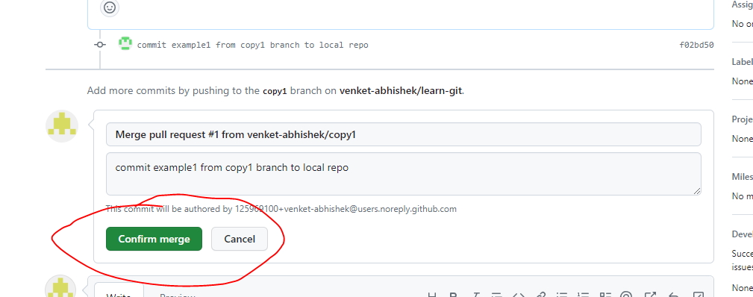

all cannot merge

seniors have grant permissio

fork
from open repo we want to change then we don’t have permission to branch

we create our own copy thru FORK

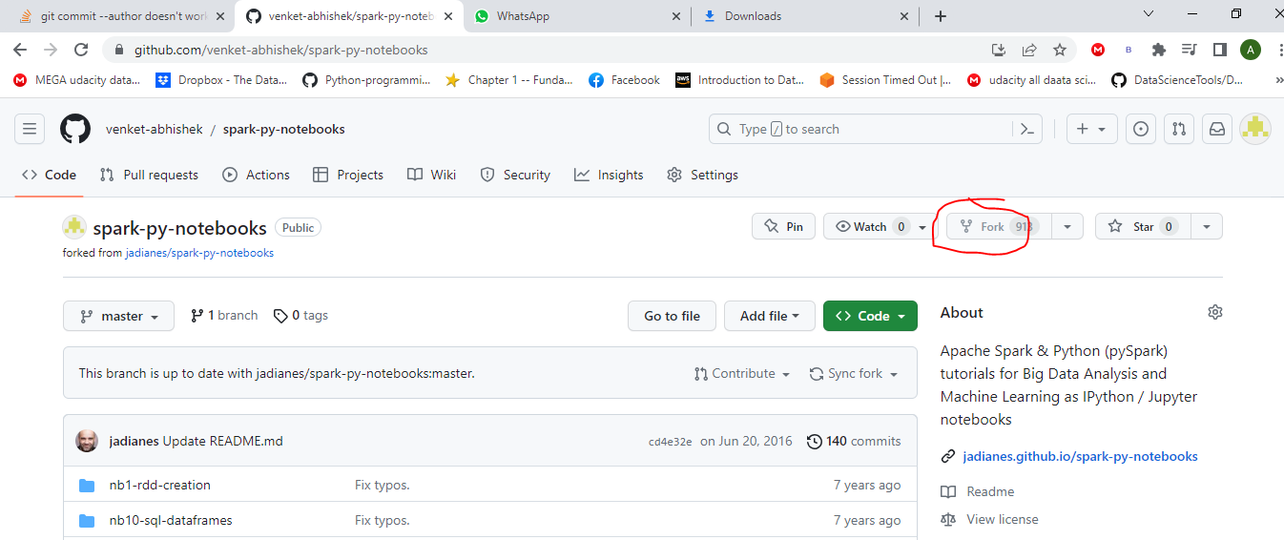

 |  | here

pulling this remote repo to our local repo |  | git clone

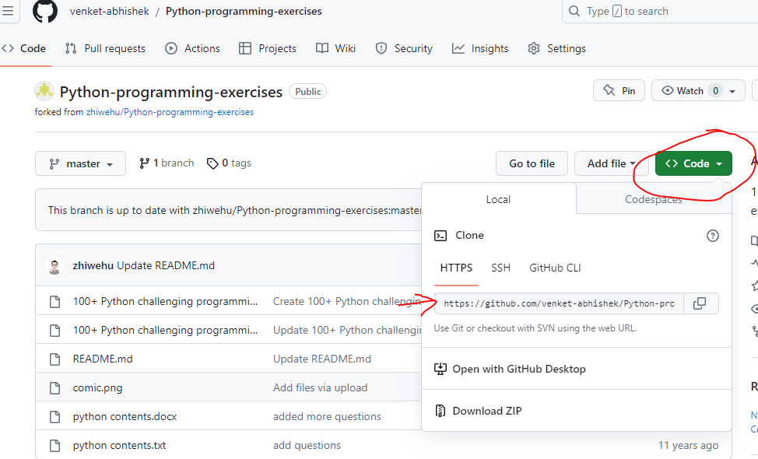

 |  | we can select HTTPS/SSH anything

create new folder
C:\Users\Lenovo\OneDrive\Desktop\git-python-clone

cmd

C:\Users\Lenovo\OneDrive\Desktop\git-python-clone>git clone https://github.com/venket-abhishek/Python-programming-exercises.git

Cloning into 'Python-programming-exercises'...
remote: Enumerating objects: 75, done.
remote: Counting objects: 100% (12/12), done.
remote: Compressing objects: 100% (10/10), done.
remote: Total 75 (delta 6), reused 6 (delta 2), pack-reused 63
Receiving objects: 100% (75/75), 777.24 KiB | 1.67 MiB/s, done.
Resolving deltas: 100% (37/37), done.

we got those files

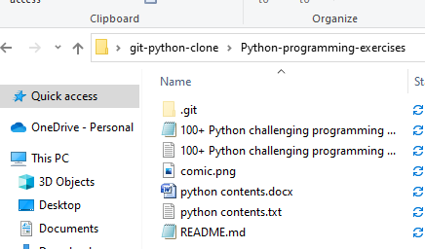

C:\Users\Lenovo\OneDrive\Desktop\git-python-clone>git status | error
fatal: not a git repository (or any of the parent directories): .git

C:\Users\Lenovo\OneDrive\Desktop\git-python-clone>dir
Volume in drive C is SSD
Volume Serial Number is 9E6E-748C

Directory of C:\Users\Lenovo\OneDrive\Desktop\git-python-clone

25-06-2023 01.06 PM <DIR> .
25-06-2023 01.06 PM <DIR> ..
25-06-2023 01.06 PM <DIR> Python-programming-exercises
0 File(s) 0 bytes
3 Dir(s) 15,759,757,312 bytes free

C:\Users\Lenovo\OneDrive\Desktop\git-python-clone>cd Python-programming-exercises |  | move to this directory

C:\Users\Lenovo\OneDrive\Desktop\git-python-clone\Python-programming-exercises>git status
On branch master
Your branch is up to date with 'origin/master'.

nothing to commit, working tree clean

we can add commit and push to your remote repo from there raise pull request

issues
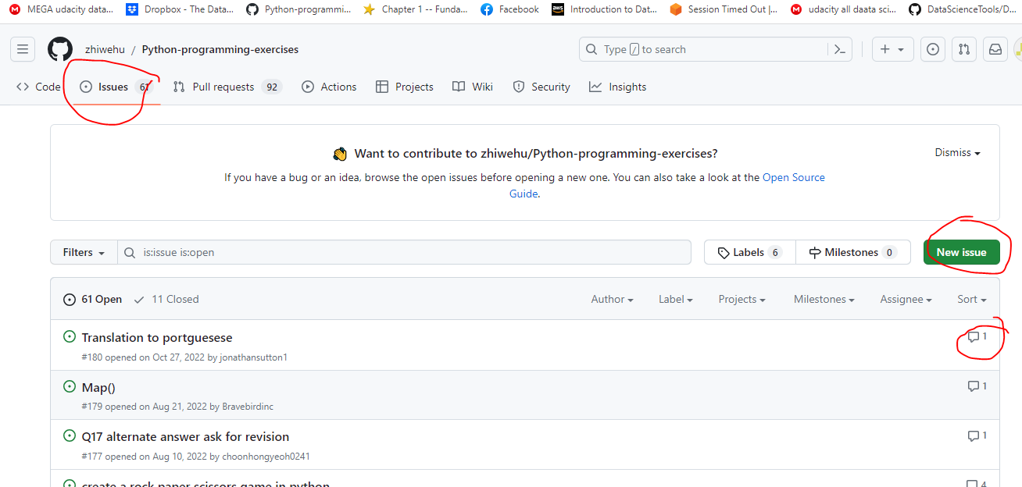
if u find any issue with this app/ code u can raise issue , can chat with previous issue raiser

